LOCATION
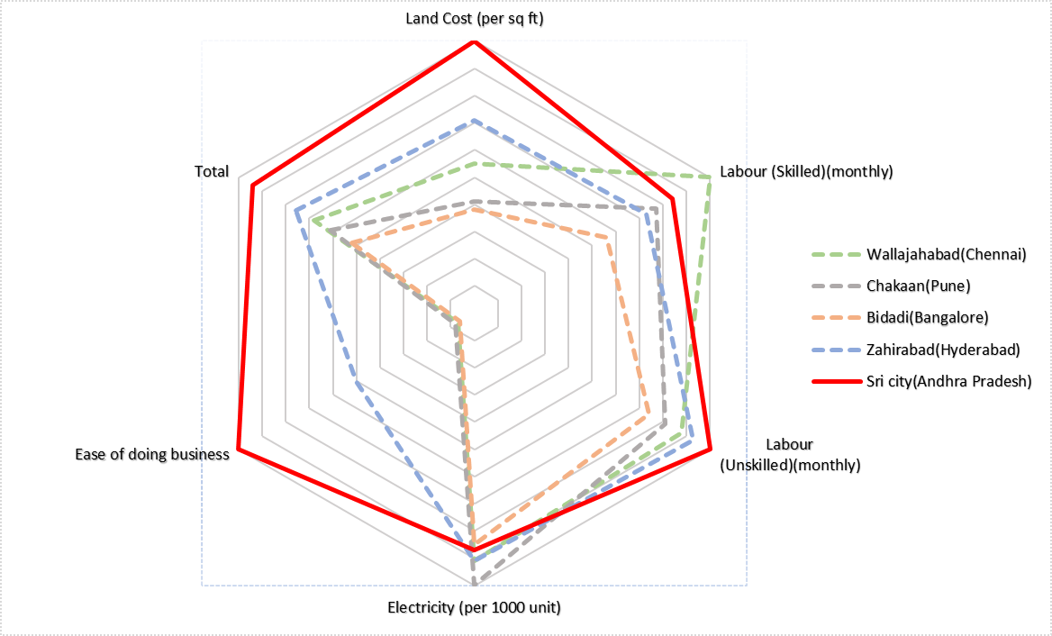
.
LOCATION |  | LOCATION

 |  |  | https://www.geeksforgeeks.org/how-to-normalize-data-in-excel/
 |  |  | Wallajahabad(Chennai) | Chakaan(Pune) | Bidadi(Bangalore) | Zahirabad(Hyderabad) | Sricity(Andra Pradesh)
 |  | Land Cost (per sq ft) | ₹789.00 | ₹1,057.00 | ₹1,132.00 | ₹614.00 | ₹436.00
 |  | Labour (Skilled)(monthly) | ₹10,500.00 | ₹12,625.00 | ₹12,890.00 | ₹14,120.00 | ₹13,450.00
 |  | Labour (Unskilled)(monthly) | ₹7,775.00 | ₹8,500.00 | ₹9,200.00 | ₹7,350.00 | ₹7,890.00
 |  | Electricity (per 1000 unit) | ₹6,700.00 | ₹6,100.00 | ₹7,100.00 | ₹6,700.00 | ₹7,000.00
 |  | Maximum temperature(degree celcius) | 39 | 38 | 36 | 40 | 33
 |  | Maximum humidity(in percent) | 76 | 96 | 68 | 64 | 72
 |  | Ease of doing business(state rank in 2021) | 14 | 13 | 17 | 2 | 1

 | Normalization

 |  |  | Wallajahabad(Chennai) | Chakaan(Pune) | Bidadi(Bangalore) | Zahirabad(Hyderabad) | Sri city(Andhra Pradesh)
 |  | Land Cost (per sq ft) | 0.65 | 0.49 | 0.45 | 1 | 1
 |  | Labour (Skilled)(monthly) | 1.00 | 0.83 | 0.81 | 0.74 | 0.84
 |  | Labour (Unskilled)(monthly) | 0.94 | 0.86 | 0.79 | 1 | 1
 |  | Electricity (per 1000 unit) | 0.91 | 1 | 0.85 | 0.91 | 0.87 | 1
 |  | Transport (distance) | 0.61 | 0.71 | 0.86 | 1 | 1
 |  | Total | 0.82 | 0.78 | 0.75 | 0.93 | 0.942

FACTORY AREA
FACTORY AREA
 |  |  | FACTORY AREA
 | FACTORY AREA
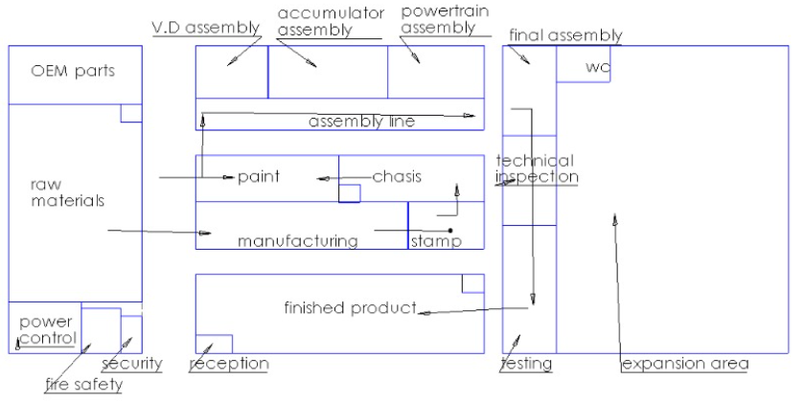

 | ROOM | AREA (sq ft) | AREA OF SUBDIVISONS (sq ft)
 | Entry area | 500
 | Power and control room | 300
 | Safety and Fire equipment | 320
 | MAIN ROOM |  | 200
 | 4*SUB UNIT |  | 120
 | Manufacturing | 900 |  | Knuckle, Hub, Gearbox, Driveshaft Manufacturing
 | Laser Tube Cutting |  | 200
 | Laser Sheet Metal |  | 200
 | CNC Milling (2) |  | 100
 | CNC Bending |  | 150
 | Drlling |  | 200
 | Lathe |  | 50
 | Area for factory expansion | 5520
 | Paint area | 500 |  | Paint the outer layer of car
 | OEM Parts | 600 |  | Callipers, Brake Lines, Brake fluid
 | Tyres and rims |  | 400
 | Seats and Headrest |  | 100
 | Motors |  | 100
 | WC | 150
 | Accumulator inventory | 500 |  | Cells, Circuits Components, Wiring, Connectors
 | Powertrain Inventory | 400 |  | Radiators, Joints, Drive shafts, Gearboxes
 | Suspension Inventory | 300 |  | Knuckle, Hub, Bellcrank, Control Arms, links, Brake rotor, dampers
 | Stock Entry | 2000
 | Powertrain Subassemby | 0 |  | Gearbox Subassembly,driveshafts, axle etc.
 | Suspension Subassembly | 0 |  | Struts, dampers,wheel assembly
 | Acculmulator Subassembly | 0 |  | Cells and Container assembly
 | CHASIS | 500
 | TESTING | 500
 | Stamping | 150 |  | Making the metal into sheets, cutting etc.
 | Security | 50
 | Reception | 50
 | Technical Inspection | 300
 | Finished Products | 2000
 | FINAL ASSEMBLY | 300 |  | Tyres,Seat
 | ASSEMBLY LINE | 700 |  | Full Assembly
 | Total | 16540 | 14520
 | Total including passages | 18500

